Goal Seek
1. Click the cell you want to change (Total). This is called the “Set cell”.
2. Enter the new “what if” amount in the To value text box.
3. Choose a cell, which is part of the formula, to change its value.
Goal Seek
 |  | Example 1
Item | Item1 | Item | Caps
Qty | 100 | Qty | 49
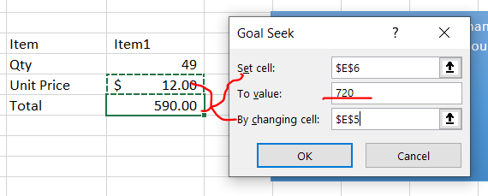
Unit Price | $12.00 | Unit Price | $12.00
Total | 1,200.00 | Total | 590.00

 |  | Your turn
 |  | Example 2 (Break Even)
 |  | Quantity | 0

 |  | Unit Price | $5.00
 |  | Fixed Costs | $38,400.00
 |  | Unit Cost | $3.78

 |  | Revenue | $-
 |  | Fixed Costs | $(38,400.00)
 |  | Variable Costs | $-

 |  | Net Profit | $(38,400.00)

Scenario
My Budget

1. Add two scenarios (Data > What If Analysis > Scenario Manager
2. Create a summary
Yearly Income | $54,000

Rent | $14,400
Insurance | $3,500
Schools + Camp | $15,000
Utilities | $2,000
Food | $9,000
Going out | $3,840
Phone and Internet | $960

Total Expenses | $48,700

Net | $5,300

